Raw-1
CBETA BPM cables
Measured with 1600 MHz sine wave, with splitters into Lecroy WavePro 604HD-MS scope
X1 cursor on yellow reference trace, channel 1; X2 cursor on pink trace, channel 2

cable num | diff from ref (picosec)
1 | 0 | Cable number 1 used as reference
2 | 42
3 | 41
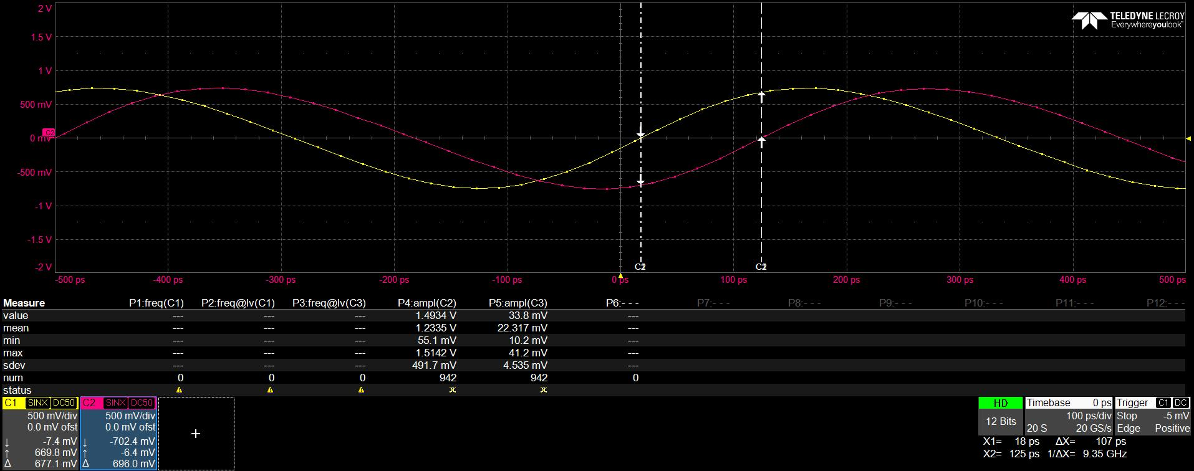
4 | 82
5 | -364
6 | 110
7 | 17
8 | -181
9 | 49
10 | -105
11 | -43
12 | 190
13 | 43
14 | -29
15 | -127
16 | -231
17 | -23
18 | 59
19 | 234
20 | -160
21 | 277
22 | -163
23 | 93
24 | -234
25 | -205
26 | 84
27 | 120
28 | 61
29 | -353
30 | 11
31 | 59
32 | 35
33 | -50
34 | 3
35 | 94
36 | 13
37 | 133
38 | 97
39 | 89
40 | -15
41 | -74
42 | 117
43 | -6
44 | -121
45 | 99
46 | -426
47 | -36
48 | 278
49 | 101
50 | -250
51 | 80
52 | -41
53 | 70
54 | 116
55 | 178
56 | 91
57 | 8
58 | 181
59 | 12
60 | -380
61 | -347
62 | 66
63 | 13
64 | -86
65 | 91
66 | 77
67 | 15
68 | -95
69 | 95
70 | -8
71 | -60
72 | 88
73 | 65
74 | 65
75 | -72
76 | 29
77 | 14
78 | -79
79 | 68
80 | 136
81 | 94
82 | -95
83 | 172
84 | -56
85 | 76
86 | 76
87 | -37
88 | 59
89 | 38
90 | -223
91 | 9
92 | 172
93 | 66
94 | -40
95 | -108
96 | -108
97 | -6
98 | -139
99 | -118
100 | 78
101 | 21
102 | 46
103 | -61
104 | 46
105 | -141
106 | -8
107 | 71
108 | 36
109 | 3
110 | 15
111 | 152
112 | 27
113 | -39
114 | -111
115 | -133
116 | -108
117 | 177
118 | 67
119 | 93
120 | 84
121 | -169
122 | -229
123 | -165
124 | -123
125 | -73
126 | 72
127 | 61
128 | -101
129 | 35
130 | 198
131 | -65
132 | 83
133 | 163
134 | 23
135 | 104
136 | 75
137 | 96
138 | 68
139 | 77
140 | 128
141 | 19
142 | 98
143 | 57
144 | -23
145 | 78
146 | 204
147 | 134
148 | -298
149 | 191
150 | 115
151 | -171
152 | 160
153 | 116
154 | 149
155 | 31
156 | 2
157 | -159
158 | 4
159 | 91
160 | -114
161 | 103
162 | 17
163 | 48
164 | -131
165 | 4
166 | 17
167 | 3
168 | 101
169 | 14
170 | 19
171 | -49
172 | 54
173 | -158
174 | -2
175 | -213
176 | -41
177 | -8
178 | 56
179 | -299
180 | -154
181 | 154
182 | 19
183 | 145
184 | 40
185 | -214
186 | 35
187 | 204
188 | 33
189 | 168
190 | 209
191 | -173
192 | 29
193 | -95
194 | 261
195 | 144
196 | 146
197 | -6
198 | 119
199 | -100
200 | 153
201 | 75
202 | -108
203 | 136
204 | -130
205 | -17
206 | 179
207 | 107
208 | 37
209 | 87
210 | 147
211 | 182
212 | 146
213 | 166
214 | -204
215 | 47
216 | 29
217 | -193
218 | 92
219 | 186
220 | -83
221 | 113
222 | -159
223 | -99
224 | -46
225 | 42
226 | -136
227 | 81
228 | 145
229 | 110
230 | -103
231 | -130
232 | 142
233 | 108
234 | 110
235 | 14
236 | -41
237 | 212
238 | -158
239 | -19
240 | 90
241 | 72
242 | -171
243 | 0
244 | 49
245 | 279
246 | -127
247 | 90
248 | 77
249 | -200
250 | 74
251 | -163
252 | 125
253 | -120
254 | 118
255 | -128
256 | -91
257 | 231
258 | -349
259 | 176
260 | -246
261 | 201
262 | 98
263 | -20
264 | -16
265 | 33
266 | 128
267 | 26
268 | 28
269 | 46
270 | -21
271 | 48
272 | 16
273 | 112
274 | 17
275 | -137
276 | 70
277 | -13
278 | -189
279 | 17
280 | 17
281 | -195
282 | -374
283 | -264
284 | 109
285 | 132
286 | 20
287 | -94
288 | -53
289 | 57
290 | -13
291 | 22
292 | 246
293 | -64
294 | 13
295 | 13
296 | 61
297 | 58
298 | 179
299 | 37
300 | -37
301 | 152
302 | 137
303 | -21
304 | -132
305 | -350
306 | 147
307 | -176
308 | 67
309 | 34
310 | 77
311 | 141
312 | -2
313 | 87
314 | -124
315 | -80
316 | -94
317 | 2
318 | 62
319 | 218
320 | 210
321 | 116
322 | 27
323 | 96
324 | 65
325 | 66
326 | 199
327 | 107
328 | 174
329 | 91
330 | 148
331 | 90
332 | 134
333 | 48
334 | 171
335 | 160
336 | 107
337 | 196
338 | 12
339 | 77
340 | 131
341 | 217
342 | 151
343 | 100
344 | 70
345 | 102
346 | 167
347 | 126
348 | 56
349 | 101
350 | 98
351 | 60
352 | 69
353 | 13
354 | 102
355 | 204
356 | 121
357 | 185
358 | 84
359 | -20
360 | 127
361 | 33
362 | 198
363 | 85
364 | 42
365 | 101
366 | 97
367 | 55
368 | 41
369 | 76
370 | 129
371 | 165
372 | 20
373 | 39
374 | 87
375 | 187
376 | 47
377 | 193
378 | 138
379 | 82
380 | 81
381 | 114
382 | 177
383 | 110
384 | 187
385 | 172
386 | 202
387 | 135
388 | 191
389 | -14
390 | 133
391 | 197
392 | 12
393 | -326
394 | 227
395 | 95
396 | -318
397 | 54
398 | -68
399 | 135
400 | 183
401 | 125
402 | 194
403 | 127
404 | -285
405 | 99
406 | 53
407 | 24
408 | -243
409 | 157
410 | 255
411 | 134
412 | 171
413 | 216
414 | 268
415 | 17
416 | 96
417 | 125
418 | -308
419 | -261
420 | -165
421 | 21
422 | 31
423 | 87
424 | 84
425 | -47
426 | -41
427 | 100
428 | -343
429 | 1
430 | -89
431 | 189
432 | 165
433 | 86
434 | -179
435 | -46
436 | 166
437 | 106
438 | 141
439 | 156
440 | 189
441 | -207
442 | 191
443 | 257
444 | 187
445 | -144
446 | -180
447 | -29
448 | 189
449 | 167
450 | 31
451 | 14
452 | -5
453 | 99
454 | 84
455 | 126
456 | 7
457 | 80
458 | 80
459 | 191
460 | -89
461 | 33
462 | 98
463 | 99
464 | -80
465 | 81
466 | -84
467 | 68
468 | 15
469 | 122
470 | 45
471 | 104
472 | 71
473 | 142
474 | 83
475 | 99
476 | 37
477 | 146
478 | 18
479 | 97
480 | 34
481 | -83
482 | 79
483 | 38
484 | -126
485 | -19
486 | 0
487 | 111
488 | 257
489 | -64
490 | -92
491 | 60
492 | 6
493 | 269
494 | 50
495 | 156
496 | -100
497 | -41
498 | 50
499 | 67
500 | -47
501 | -179
502 | 168
503 | -52
504 | -26
505 | 11
506 | 29
507 | 73
508 | 61
509 | 41
510 | 164
511 | 48
512 | 60
513 | 156
514 | 5
515 | -51
516 | 46
517 | -22
518 | 87
519 | -17
520 | -181
521 | 1
522 | -221
523 | 56
524 | 230
525 | -44
526 | -2
527 | 72
528 | 183
529 | -30
530 | -109
531 | -42
532 | 66
533 | 22
534 | -8
535 | -138
536 | 88
537 | 19
538 | -169
539 | -19
540 | -62
541 | 32
542 | 57
543 | -107
544 | 90
545 | -73
546 | 2
547 | 69
548 | -24
549 | -165
550 | 18
551 | 201
552 | 223
553 | -35
554 | 50
555 | -82
556 | -103
557 | 66
558 | 126
559 | -20
560 | -49
561 | 81
562 | 66
563 | -81
564 | 47
565 | 146
566 | -56
567 | 173
568 | 157

